Sheet1
Init | Clf | Confusion Matrix | F1 Score
Bag-of-Words | MultinomialNB | 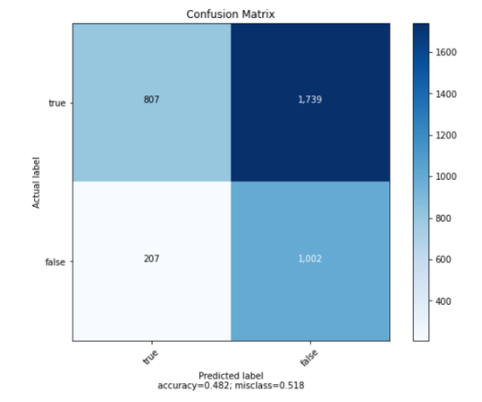
Bag-of-Words | BernoulliNB | 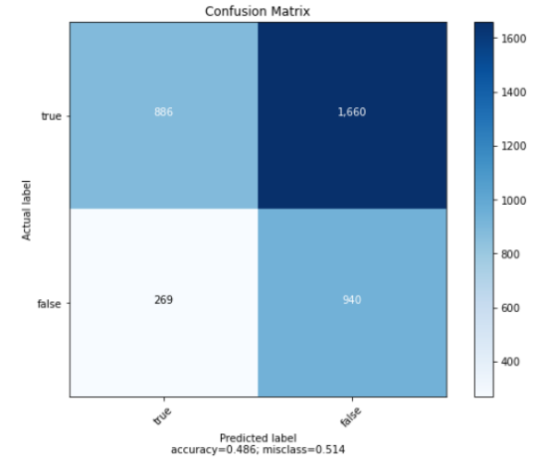
Bag-of-Words | PassiveAggressiveClassifier | 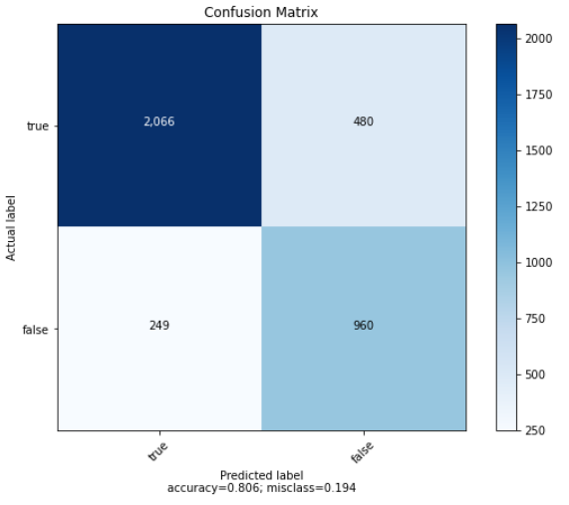
Bag-of-Words | SGDClassifier | 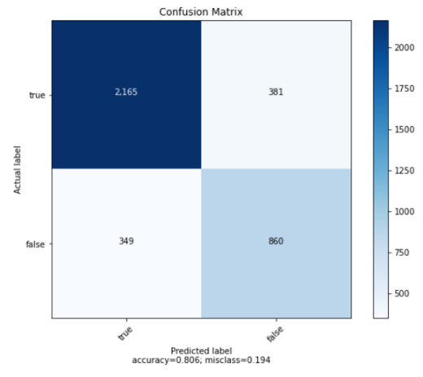
Bag-of-Words | SVC | 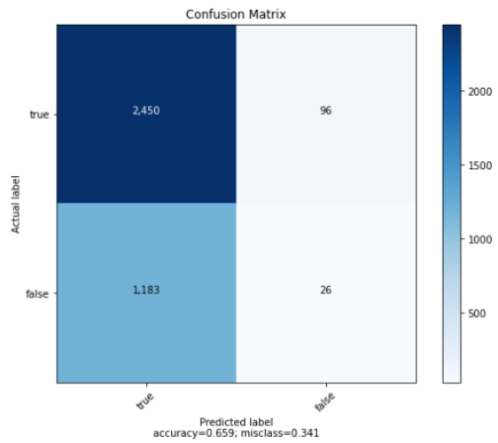
Bag-of-Words | AdaBoostClassifier | 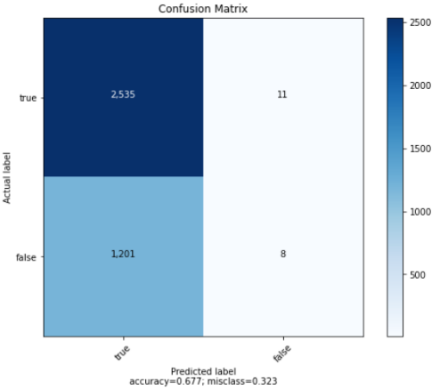
N-Gram | MultinomialNB | 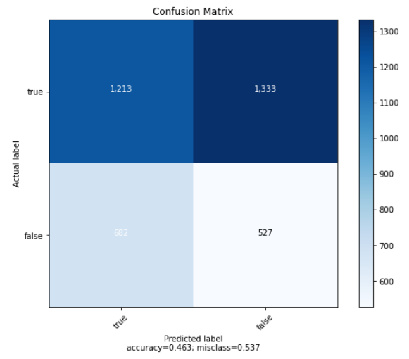
N-Gram | BernoulliNB | 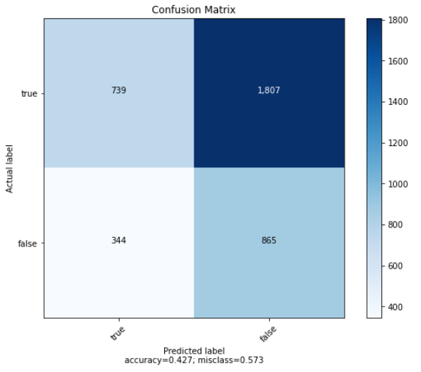
N-Gram | PassiveAggressiveClassifier | 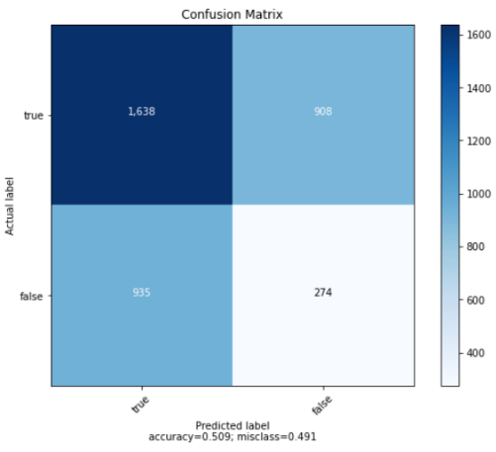
N-Gram | SGDClassifier | 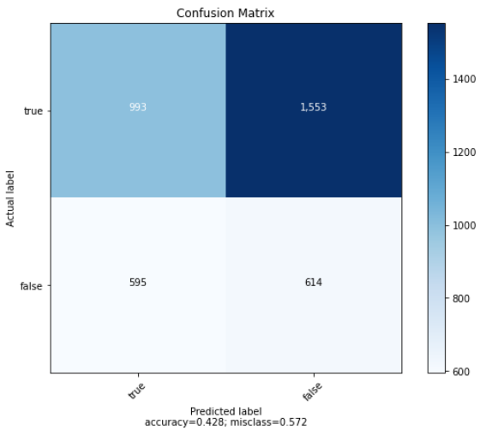
N-Gram | SVC | 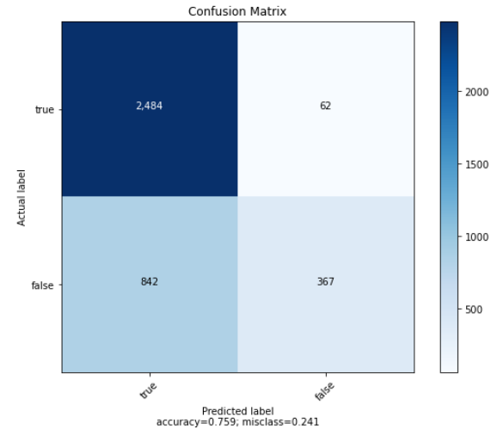
N-Gram | AdaBoostClassifier | 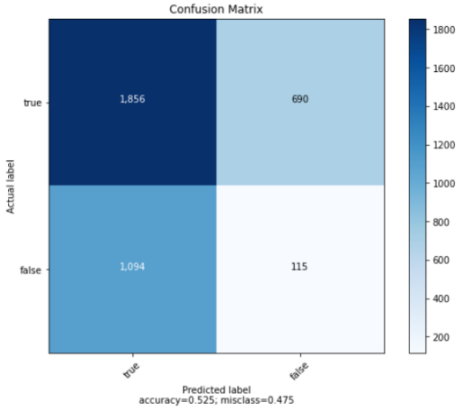
TF-IDF | MultinomialNB | 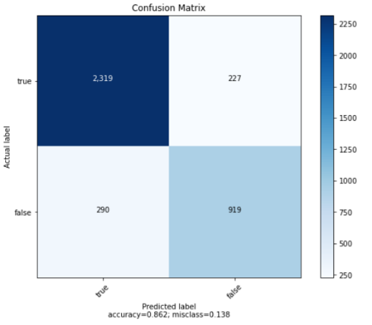
TF-IDF | BernoulliNB | 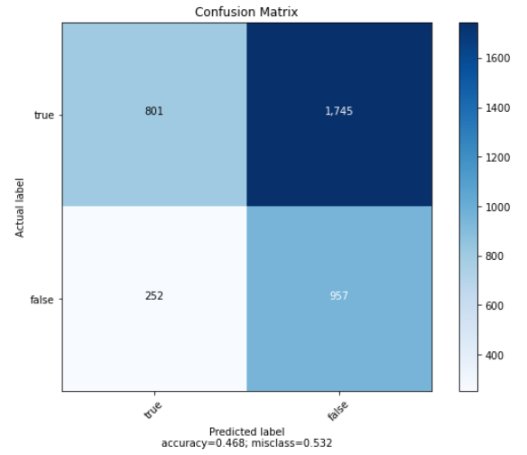
TF-IDF | PassiveAggressiveClassifier | 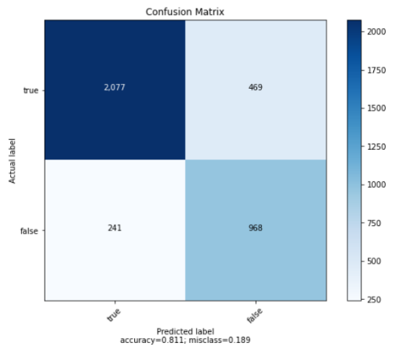
TF-IDF | SGDClassifier | 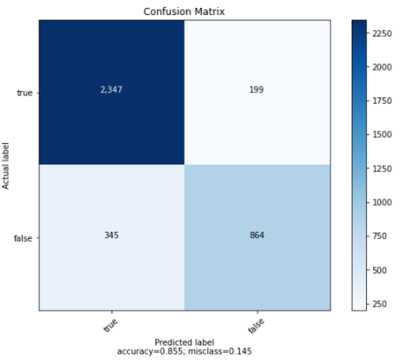
TF-IDF | SVC | 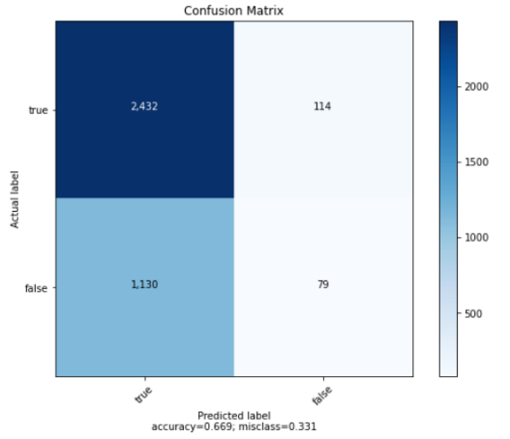
TF-IDF | AdaBoostClassifier | 